Cube Queries Validation
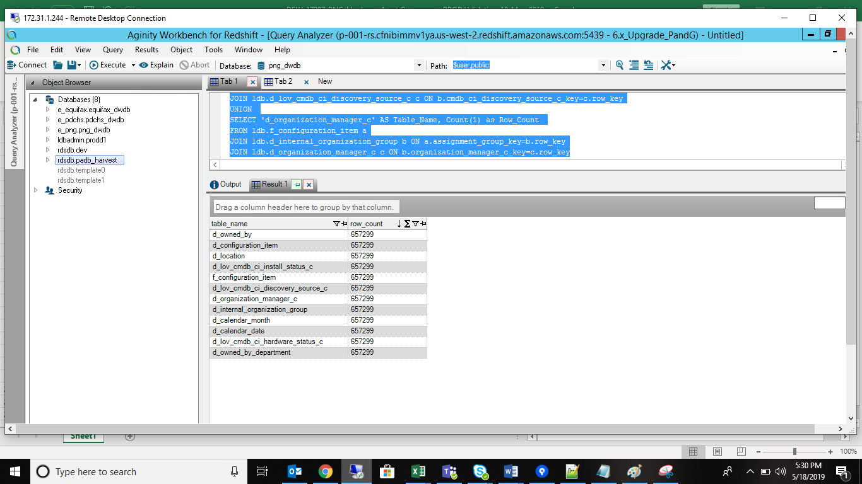
 | Hardware Assets
/* Tables Accessed: d_calendar_date- done d_calendar_month - done d_configuration_item d_internal_organization_group- done d_location- done d_lov_cmdb_ci_discovery_source_c d_lov_cmdb_ci_hardware_status_c d_lov_cmdb_ci_install_status_c d_organization_manager_c d_owned_by d_owned_by_department f_configuration_item */ SELECT 'f_configuration_item' AS Table_Name, Count(1) as Row_Count FROM ldb.f_configuration_item a UNION SELECT 'd_configuration_item' AS Table_Name, Count(1) as Row_Count FROM ldb.f_configuration_item a JOIN ldb.d_configuration_item b ON a.configuration_item_key=b.row_key UNION SELECT 'd_location' AS Table_Name, Count(1) as Row_Count FROM ldb.f_configuration_item a JOIN ldb.d_configuration_item b ON a.configuration_item_key=b.row_key JOIN ldb.d_location c ON b.location_key=c.row_key UNION SELECT 'd_calendar_date' AS Table_Name, Count(1) as Row_Count FROM ldb.f_configuration_item a JOIN ldb.d_calendar_date b ON a.date_key_c=b.row_key UNION SELECT 'd_calendar_month' AS Table_Name, Count(1) as Row_Count FROM ldb.f_configuration_item a JOIN ldb.d_calendar_date b ON a.date_key_c=b.row_key JOIN ldb.d_calendar_month c ON b.month_start_date_key=c.row_key UNION SELECT 'd_owned_by' AS Table_Name, Count(1) as Row_Count FROM ldb.f_configuration_item a JOIN ldb.d_owned_by b ON a.owned_by_key=b.row_key UNION SELECT 'd_owned_by_department' AS Table_Name, Count(1) as Row_Count FROM ldb.f_configuration_item a JOIN ldb.d_owned_by b ON a.owned_by_key=b.row_key JOIN ldb.d_owned_by_department c ON b.owned_by_department=c.row_key UNION SELECT 'd_internal_organization_group' AS Table_Name, Count(1) as Row_Count FROM ldb.f_configuration_item a JOIN ldb.d_internal_organization_group b ON a.assignment_group_key=b.row_key UNION SELECT 'd_lov_cmdb_ci_install_status_c' AS Table_Name, Count(1) as Row_Count FROM ldb.f_configuration_item a JOIN ldb.d_configuration_item b ON a.configuration_item_key=b.row_key J

Hardware Asset UNKNOW Validation |  | Hardware UNSPECFIED Validation

SELECT 'f_configuration_item' AS Table_Name, Count(1) as Row_Count FROM ldb.f_configuration_item a UNION SELECT 'd_configuration_item' AS Table_Name, Count(1) as Row_Count FROM ldb.f_configuration_item a JOIN ldb.d_configuration_item b ON a.configuration_item_key=b.row_key WHERE a.configuration_item_key IN ('-1') UNION SELECT 'd_location' AS Table_Name, Count(1) as Row_Count FROM ldb.f_configuration_item a JOIN ldb.d_configuration_item b ON a.configuration_item_key=b.row_key JOIN ldb.d_location c ON b.location_key=c.row_key WHERE b.location_key IN ('-1') UNION SELECT 'd_calendar_date' AS Table_Name, Count(1) as Row_Count FROM ldb.f_configuration_item a JOIN ldb.d_calendar_date b ON a.date_key_c=b.row_key WHERE a.date_key_c IN ('-1') UNION SELECT 'd_calendar_month' AS Table_Name, Count(1) as Row_Count FROM ldb.f_configuration_item a JOIN ldb.d_calendar_date b ON a.date_key_c=b.row_key JOIN ldb.d_calendar_month c ON b.month_start_date_key=c.row_key WHERE b.month_start_date_key IN ('-1') UNION SELECT 'd_owned_by' AS Table_Name, Count(1) as Row_Count FROM ldb.f_configuration_item a JOIN ldb.d_owned_by b ON a.owned_by_key=b.row_key WHERE a.owned_by_key IN ('-1') UNION SELECT 'd_owned_by_department' AS Table_Name, Count(1) as Row_Count FROM ldb.f_configuration_item a JOIN ldb.d_owned_by b ON a.owned_by_key=b.row_key JOIN ldb.d_owned_by_department c ON b.owned_by_department=c.row_key WHERE b.owned_by_department IN ('-1') UNION SELECT 'd_internal_organization_group' AS Table_Name, Count(1) as Row_Count FROM ldb.f_configuration_item a JOIN ldb.d_internal_organization_group b ON a.assignment_group_key=b.row_key WHERE a.assignment_group_key IN ('-1') UNION SELECT 'd_lov_cmdb_ci_install_status_c' AS Table_Name, Count(1) as Row_Count FROM ldb.f_configuration_item a JOIN ldb.d_configuration_item b ON a.configuration_item_key=b.row_key JOIN ldb.d_lov_cmdb_ci_install_status_c c ON b.cmdb_ci_install_status_c_key=c.row_key |  | SELECT 'f_configuration_item' AS Table_Name, Count(1) as Row_Count FROM ldb.f_configuration_item a UNION SELECT 'd_configuration_item' AS Table_Name, Count(1) as Row_Count FROM ldb.f_configuration_item a JOIN ldb.d_configuration_item b ON a.configuration_item_key=b.row_key WHERE a.configuration_item_key IN ('0') UNION SELECT 'd_location' AS Table_Name, Count(1) as Row_Count FROM ldb.f_configuration_item a JOIN ldb.d_configuration_item b ON a.configuration_item_key=b.row_key JOIN ldb.d_location c ON b.location_key=c.row_key WHERE b.location_key IN ('0') UNION SELECT 'd_calendar_date' AS Table_Name, Count(1) as Row_Count FROM ldb.f_configuration_item a JOIN ldb.d_calendar_date b ON a.date_key_c=b.row_key WHERE a.date_key_c IN ('0') UNION SELECT 'd_calendar_month' AS Table_Name, Count(1) as Row_Count FROM ldb.f_configuration_item a JOIN ldb.d_calendar_date b ON a.date_key_c=b.row_key JOIN ldb.d_calendar_month c ON b.month_start_date_key=c.row_key WHERE b.month_start_date_key IN ('0') UNION SELECT 'd_owned_by' AS Table_Name, Count(1) as Row_Count FROM ldb.f_configuration_item a JOIN ldb.d_owned_by b ON a.owned_by_key=b.row_key WHERE a.owned_by_key IN ('0') UNION SELECT 'd_owned_by_department' AS Table_Name, Count(1) as Row_Count FROM ldb.f_configuration_item a JOIN ldb.d_owned_by b ON a.owned_by_key=b.row_key JOIN ldb.d_owned_by_department c ON b.owned_by_department=c.row_key WHERE b.owned_by_department IN ('0') UNION SELECT 'd_internal_organization_group' AS Table_Name, Count(1) as Row_Count FROM ldb.f_configuration_item a JOIN ldb.d_internal_organization_group b ON a.assignment_group_key=b.row_key WHERE a.assignment_group_key IN ('0') UNION SELECT 'd_lov_cmdb_ci_install_status_c' AS Table_Name, Count(1) as Row_Count FROM ldb.f_configuration_item a JOIN ldb.d_configuration_item b ON a.configuration_item_key=b.row_key JOIN ldb.d_lov_cmdb_ci_install_status_c c ON b.cmdb_ci_install_status_c_key=c.row_key WHERE

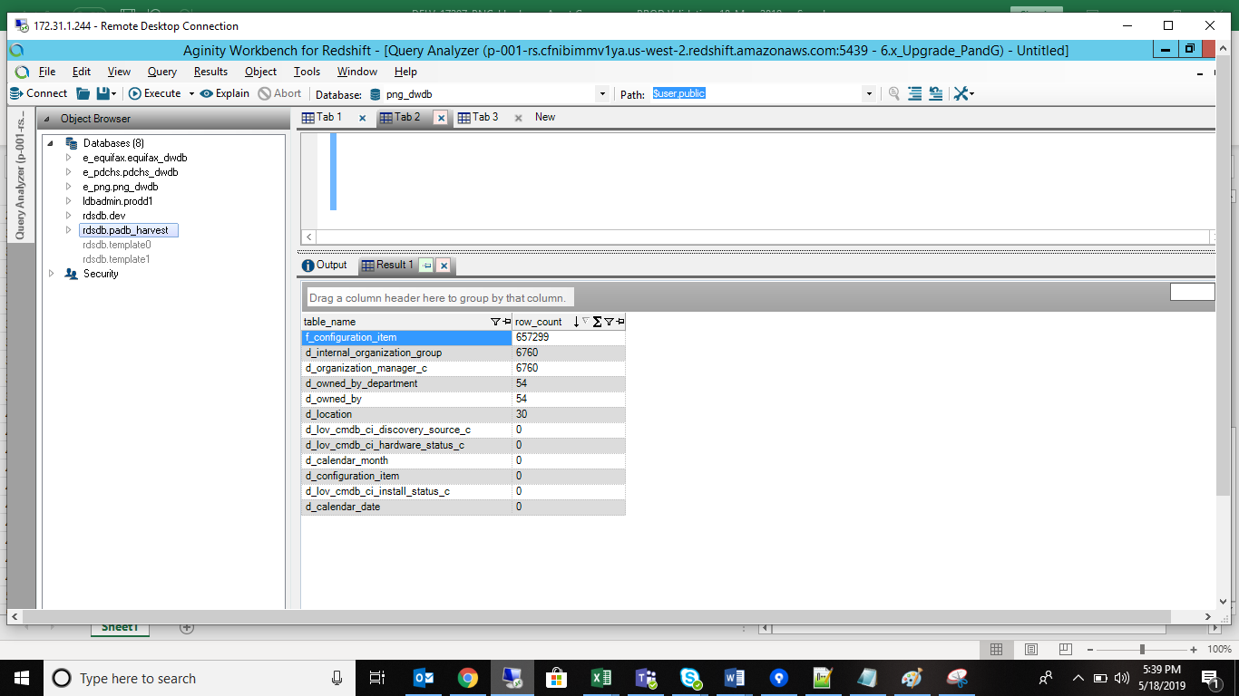
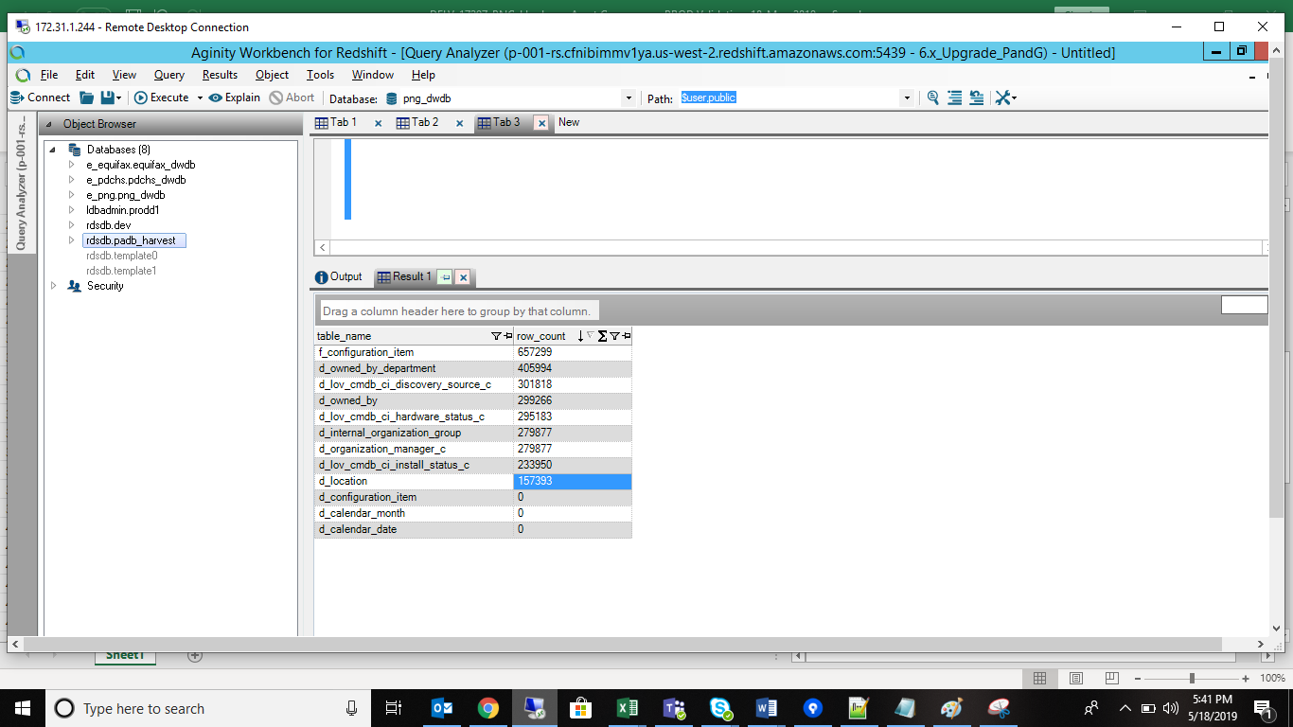

Snapshot

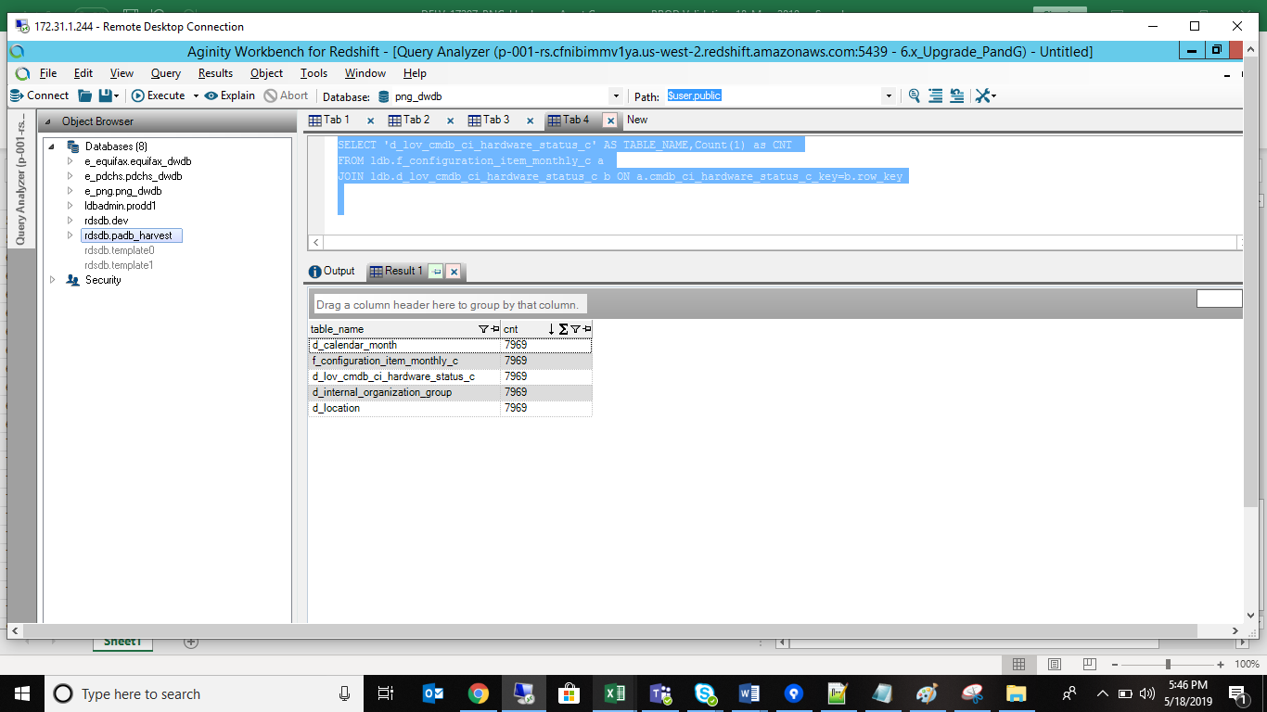
/* d_calendar_month done d_internal_organization_group d_location done d_lov_cmdb_ci_hardware_status_c f_configuration_item_monthly_c done */ SELECT 'f_configuration_item_monthly_c' AS TABLE_NAME,Count(1) as CNT FROM ldb.f_configuration_item_monthly_c a UNION SELECT 'd_calendar_month' AS TABLE_NAME,Count(1) as CNT FROM ldb.f_configuration_item_monthly_c a JOIN ldb.d_calendar_month b ON a.n_key=b.row_key UNION SELECT 'd_internal_organization_group' AS TABLE_NAME,Count(1) as CNT FROM ldb.f_configuration_item_monthly_c a JOIN ldb.d_internal_organization_group b ON a.assignment_group_key=b.row_key UNION SELECT 'd_location' AS TABLE_NAME,Count(1) as CNT FROM ldb.f_configuration_item_monthly_c a JOIN ldb.d_location b ON a.location_key=b.row_key UNION SELECT 'd_lov_cmdb_ci_hardware_status_c' AS TABLE_NAME,Count(1) as CNT FROM ldb.f_configuration_item_monthly_c a JOIN ldb.d_lov_cmdb_ci_hardware_status_c b ON a.cmdb_ci_hardware_status_c_key=b.row_key

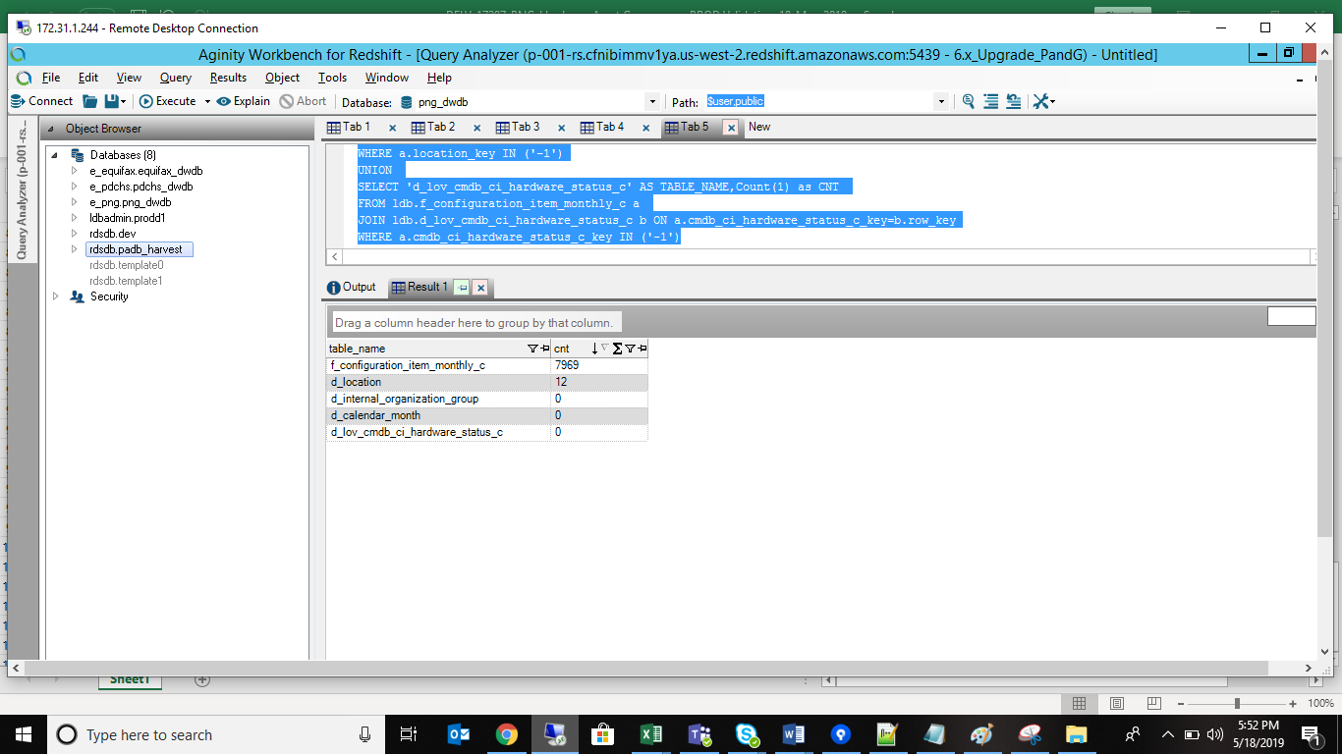
UNKNOW Validation
SELECT 'f_configuration_item_monthly_c' AS TABLE_NAME,Count(1) as CNT FROM ldb.f_configuration_item_monthly_c a UNION SELECT 'd_calendar_month' AS TABLE_NAME,Count(1) as CNT FROM ldb.f_configuration_item_monthly_c a JOIN ldb.d_calendar_month b ON a.n_key=b.row_key WHERE a.n_key IN ('-1') UNION SELECT 'd_internal_organization_group' AS TABLE_NAME,Count(1) as CNT FROM ldb.f_configuration_item_monthly_c a JOIN ldb.d_internal_organization_group b ON a.assignment_group_key=b.row_key WHERE a.assignment_group_key IN ('-1') UNION SELECT 'd_location' AS TABLE_NAME,Count(1) as CNT FROM ldb.f_configuration_item_monthly_c a JOIN ldb.d_location b ON a.location_key=b.row_key WHERE a.location_key IN ('-1') UNION SELECT 'd_lov_cmdb_ci_hardware_status_c' AS TABLE_NAME,Count(1) as CNT FROM ldb.f_configuration_item_monthly_c a JOIN ldb.d_lov_cmdb_ci_hardware_status_c b ON a.cmdb_ci_hardware_status_c_key=b.row_key WHERE a.cmdb_ci_hardware_status_c_key IN ('-1')

UNSPECIFIED Validation

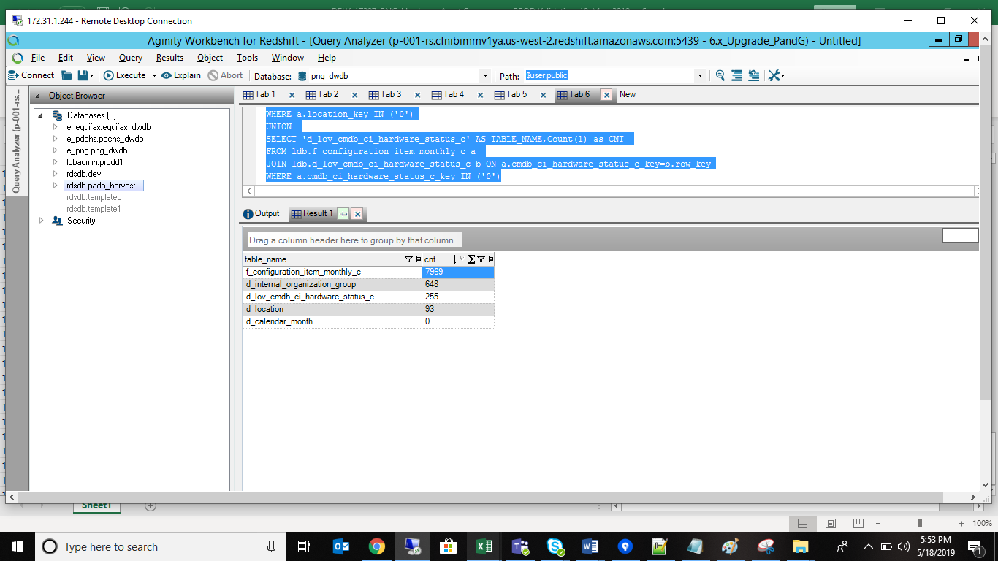
SELECT 'f_configuration_item_monthly_c' AS TABLE_NAME,Count(1) as CNT FROM ldb.f_configuration_item_monthly_c a UNION SELECT 'd_calendar_month' AS TABLE_NAME,Count(1) as CNT FROM ldb.f_configuration_item_monthly_c a JOIN ldb.d_calendar_month b ON a.n_key=b.row_key WHERE a.n_key IN ('0') UNION SELECT 'd_internal_organization_group' AS TABLE_NAME,Count(1) as CNT FROM ldb.f_configuration_item_monthly_c a JOIN ldb.d_internal_organization_group b ON a.assignment_group_key=b.row_key WHERE a.assignment_group_key IN ('0') UNION SELECT 'd_location' AS TABLE_NAME,Count(1) as CNT FROM ldb.f_configuration_item_monthly_c a JOIN ldb.d_location b ON a.location_key=b.row_key WHERE a.location_key IN ('0') UNION SELECT 'd_lov_cmdb_ci_hardware_status_c' AS TABLE_NAME,Count(1) as CNT FROM ldb.f_configuration_item_monthly_c a JOIN ldb.d_lov_cmdb_ci_hardware_status_c b ON a.cmdb_ci_hardware_status_c_key=b.row_key WHERE a.cmdb_ci_hardware_status_c_key IN ('0')

Cube Validation
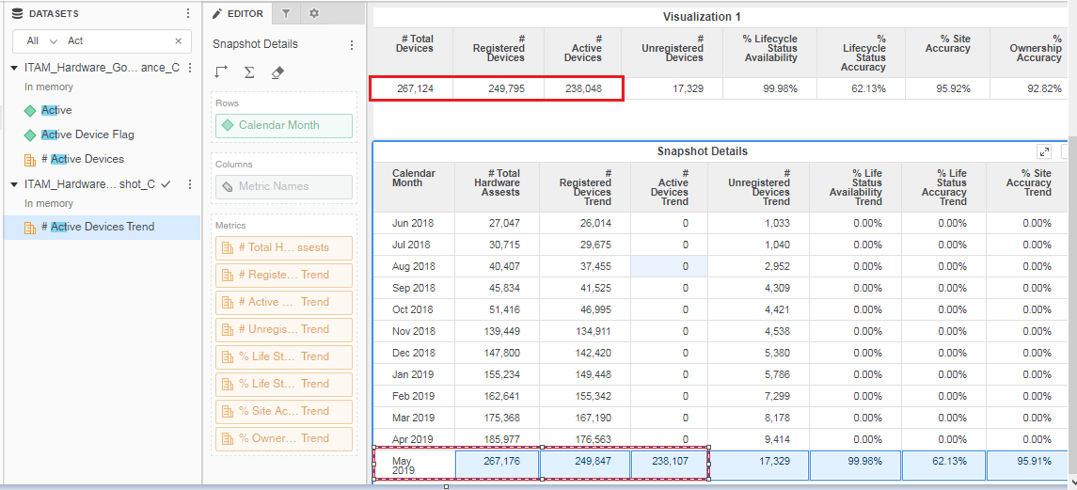
 | Hardware Metrics | Snapshort

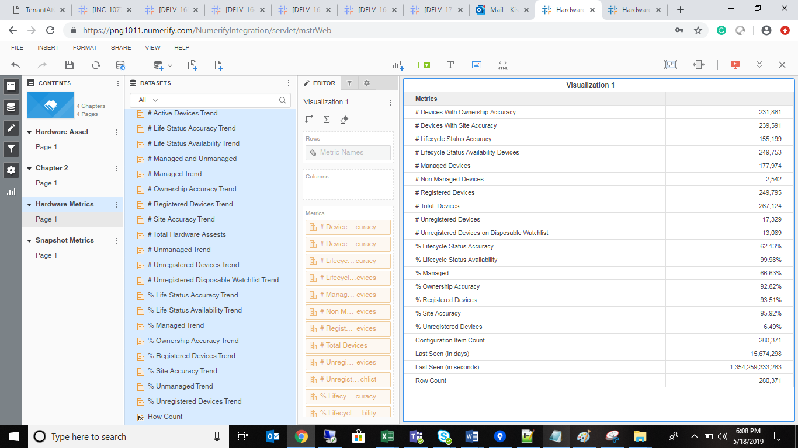
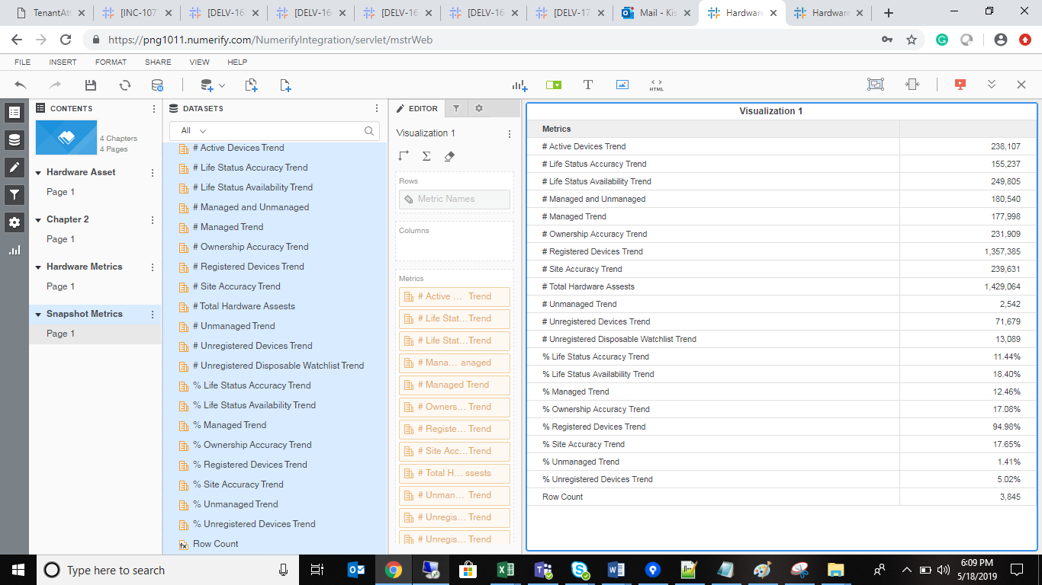

Issue

Sheet3
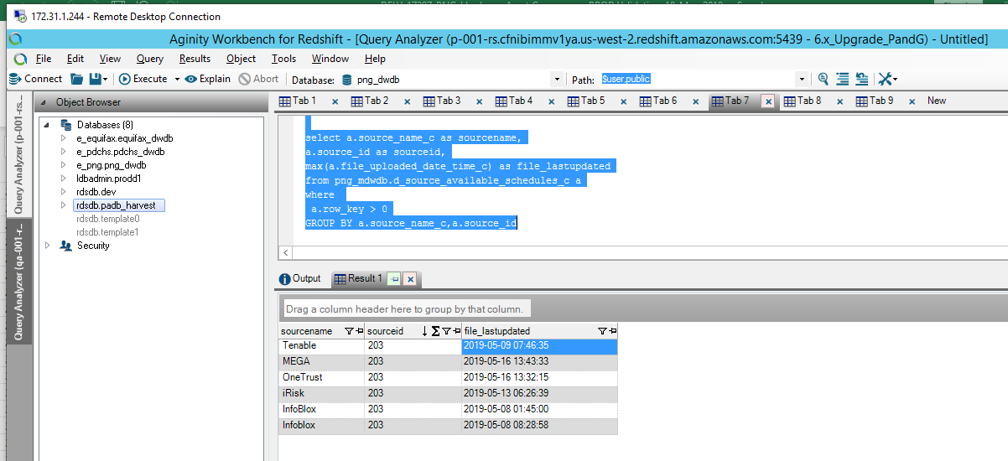
 | S No | Module | last Updated date
 | 1 | Service now | 5/16/19
 | 2 | Tenable | 5/9/19
 | 3 | Infobolox | 5/8/19

select * from ldb.o_data_freshness

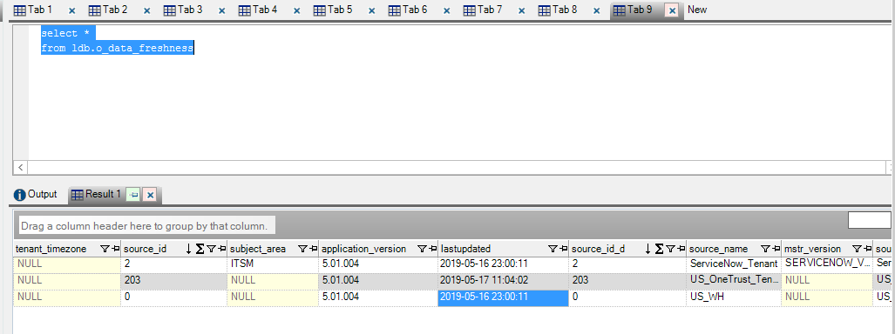

select a.source_name_c as sourcename, a.source_id as sourceid, max(a.file_uploaded_date_time_c) as file_lastupdated from png_mdwdb.d_source_available_schedules_c a where a.row_key > 0 GROUP BY a.source_name_c,a.source_id

